Print Page 1
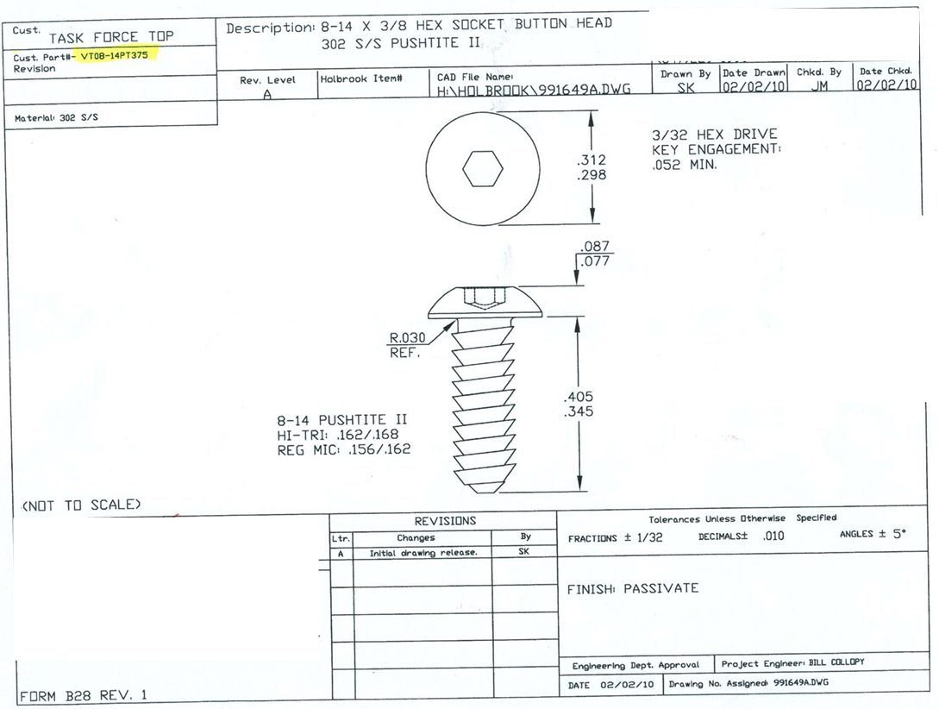

4

3

2

5

1

